S Str&Pad
Thailand |  |  | perc_baseline |  | perc_target |  | RR_d | RR_i | perc_fatal_side | perc_nonfatal_side |  |  |  | lcl_bl_deaths | lcl_bl_nonfatal |  | affected_deaths | rest_deaths | affected_deaths= affected_deaths* (1 - `prop_target'*(1-`RR_d'))/(1 - `prop_baseline'*(1-`RR_d'))
REG | TECHNOLOGY |  | CURRENT AVAILABILITY | INTERVENTION | COUNTERFACTUAL USE | Affected Groups | RELATIVE RISK (death) | RELATIVE RISK (injury) | PROP. OF SIDE CRASHES (death) | PROP OF SIDE CRASHES (injuries) | POPULATION AFFECTED |  |  | BASELINE DEATHS | BASELINE INJURIES | AFFECTED GROUP | AFFECTED DEATHS |  | INTERVENTION
UN 95, UN 135 | SIDE STR&PADD |  | 0 | SIDE STRUCTURE IN ALL CAR, TRUCK, BUS | 1 | Occupants | 0.79 | 0.79 | 0.25 | 0.337
 |  |  |  |  |  |  |  |  |  |  | Cause | Sex | Age | Deaths | Injuries | NO=0 / YES=1 | Deaths | Deaths | Deaths
 |  |  |  |  |  |  |  |  |  |  | Pedestrian | Male | <5 years | 7 | 76 | 0 | 7.49 | 0.00 | 7
 |  |  |  |  |  |  |  |  |  |  | Pedestrian | Male | 5-9 years | 17 | 407 | 0 | 16.73 | 0.00 | 17
 |  |  |  |  |  |  |  |  |  |  | Pedestrian | Male | 10-14 years | 22 | 1130 | 0 | 21.71 | 0.00 | 22
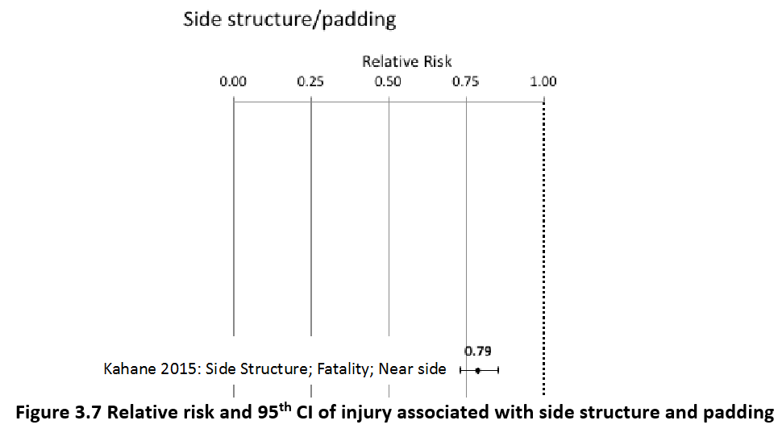
 |  |  |  |  |  |  |  |  |  |  | Pedestrian | Male | 15-19 years | 42 | 2462 | 0 | 42.39 | 0.00 | 42
 |  |  |  |  |  |  |  |  |  |  | Pedestrian | Male | 20-24 years | 67 | 3665 | 0 | 66.89 | 0.00 | 67
 |  |  |  |  |  |  |  |  |  |  | Pedestrian | Male | 25-29 years | 66 | 3558 | 0 | 65.74 | 0.00 | 66
 |  |  |  |  |  |  |  |  |  |  | Pedestrian | Male | 30-34 years | 83 | 3355 | 0 | 83.41 | 0.00 | 83
 |  |  |  |  |  |  |  |  |  |  | Pedestrian | Male | 35-39 years | 80 | 3594 | 0 | 80.14 | 0.00 | 80
 |  |  |  |  |  |  |  |  |  |  | Pedestrian | Male | 40-44 years | 75 | 3627 | 0 | 75.35 | 0.00 | 75
 |  |  |  |  |  |  |  |  |  |  | Pedestrian | Male | 45-49 years | 86 | 3296 | 0 | 85.93 | 0.00 | 86
 |  |  |  |  |  |  |  |  |  |  | Pedestrian | Male | 50-54 years | 93 | 2895 | 0 | 93.15 | 0.00 | 93
 |  |  |  |  |  |  |  |  |  |  | Pedestrian | Male | 55-59 years | 81 | 2449 | 0 | 81.44 | 0.00 | 81
 |  |  |  |  |  |  |  |  |  |  | Pedestrian | Male | 60-64 years | 91 | 1740 | 0 | 91.45 | 0.00 | 91
 |  |  |  |  |  |  |  |  |  |  | Pedestrian | Male | 65-69 years | 77 | 806 | 0 | 76.52 | 0.00 | 77
 |  |  |  |  |  |  |  |  |  |  | Pedestrian | Male | 70-74 years | 66 | 482 | 0 | 65.96 | 0.00 | 66
 |  |  |  |  |  |  |  |  |  |  | Pedestrian | Male | 75-79 years | 68 | 393 | 0 | 67.82 | 0.00 | 68
 |  |  |  |  |  |  |  |  |  |  | Pedestrian | Male | 80-84 years | 48 | 233 | 0 | 47.75 | 0.00 | 48
 |  |  |  |  |  |  |  |  |  |  | Pedestrian | Male | 85+ | 33 | 118 | 0 | 32.67 | 0.00 | 33
 |  |  |  |  |  |  |  |  |  |  | Pedestrian | Female | <5 years | 4 | 96 | 0 | 4.24 | 0.00 | 4
 |  |  |  |  |  |  |  |  |  |  | Pedestrian | Female | 5-9 years | 8 | 344 | 0 | 8.17 | 0.00 | 8
 |  |  |  |  |  |  |  |  |  |  | Pedestrian | Female | 10-14 years | 11 | 966 | 0 | 10.92 | 0.00 | 11
 |  |  |  |  |  |  |  |  |  |  | Pedestrian | Female | 15-19 years | 19 | 2036 | 0 | 19.08 | 0.00 | 19
 |  |  |  |  |  |  |  |  |  |  | Pedestrian | Female | 20-24 years | 21 | 2455 | 0 | 20.66 | 0.00 | 21
 |  |  |  |  |  |  |  |  |  |  | Pedestrian | Female | 25-29 years | 19 | 1656 | 0 | 18.94 | 0.00 | 19
 |  |  |  |  |  |  |  |  |  |  | Pedestrian | Female | 30-34 years | 21 | 1526 | 0 | 20.69 | 0.00 | 21
 |  |  |  |  |  |  |  |  |  |  | Pedestrian | Female | 35-39 years | 25 | 1800 | 0 | 24.98 | 0.00 | 25
 |  |  |  |  |  |  |  |  |  |  | Pedestrian | Female | 40-44 years | 24 | 1673 | 0 | 23.73 | 0.00 | 24
 |  |  |  |  |  |  |  |  |  |  | Pedestrian | Female | 45-49 years | 30 | 1550 | 0 | 30.01 | 0.00 | 30
 |  |  |  |  |  |  |  |  |  |  | Pedestrian | Female | 50-54 years | 37 | 1745 | 0 | 37.34 | 0.00 | 37
 |  |  |  |  |  |  |  |  |  |  | Pedestrian | Female | 55-59 years | 37 | 1930 | 0 | 37.06 | 0.00 | 37
 |  |  |  |  |  |  |  |  |  |  | Pedestrian | Female | 60-64 years | 49 | 1902 | 0 | 48.83 | 0.00 | 49
 |  |  |  |  |  |  |  |  |  |  | Pedestrian | Female | 65-69 years | 40 | 1216 | 0 | 39.74 | 0.00 | 40
 |  |  |  |  |  |  |  |  |  |  | Pedestrian | Female | 70-74 years | 36 | 777 | 0 | 35.70 | 0.00 | 36
 |  |  |  |  |  |  |  |  |  |  | Pedestrian | Female | 75-79 years | 33 | 664 | 0 | 33.18 | 0.00 | 33
 |  |  |  |  |  |  |  |  |  |  | Pedestrian | Female | 80-84 years | 24 | 572 | 0 | 24.34 | 0.00 | 24
...
Thailand |  |  | perc_baseline |  | perc_target |  | RR_d | RR_i | perc_fatal_side | perc_nonfatal_side
TOTAL | 19518 | 720967 | 19375 | 705661
 |  | Red.Per. | 0.00735 | 0.021231 |  |  |  |  |  |  | Bicyclist | Male | 50-54 years | 52
 |  |  |  |  |  |  |  |  |  |  | Bicyclist | Male | 55-59 years | 49
SIDE STR&PADD | BASELINE DEATHS | BASELINE INJURIES | SIDE STR&PADD | SIDE STR&PADD |  |  |  |  |  |  | Bicyclist | Male | 60-64 years | 50
Pedestrian | 1561 | 57677 | 1561 | 57677 |  |  |  |  |  |  | Bicyclist | Male | 65-69 years | 44
Bicyclist | 586 | 21629 | 586 | 21629 |  |  |  |  |  |  | Bicyclist | Male | 70-74 years | 34
Motorcyclist | 14444 | 425371 | 14444 | 425371 |  |  |  |  |  |  | Bicyclist | Male | 75-79 years | 8
Occupant | 2733 | 216290 | 2589 | 200983 |  |  |  |  |  |  | Bicyclist | Male | 80-84 years | 7
Other | 195 | 0 | 195 | 0 |  |  |  |  |  |  | Bicyclist | Male | 85+ | 7
TOTAL | 19518 | 720967 | 19375 | 705661 |  |  |  |  |  |  | Bicyclist | Female | <5 years | 1
Thailand
 | BASELINE DEATHS | SIDE STR&PADD
Pedestrian | 1561 | 1561
Bicyclist | 586 | 586
Motorized Two Wheeler | 14444 | 14444
Motorized Three Wheeler | 0 | 0
Car | 2733 | 2589
Bus | 0 | 0
Truck | 0 | 0
Other | 195 | 195
 |  |  |  |  |  |  |  |  |  |  | Bicyclist | Female | 5-9 years | 2
Thailand
 | BASELINE INJURIES | SIDE STR&PADD
Pedestrian | 57677 | 57677
Bicyclist | 21629 | 21629
Motorized Two Wheeler | 425371 | 425371
Motorized Three Wheeler | 0 | 0
Car | 216290 | 200983
Bus | 0 | 0
Truck | 0 | 0
Other | 0 | 0
 |  |  |  |  |  |  |  |  |  |  | Bicyclist | Female | 10-14 years | 3
 |  |  |  |  |  |  |  |  |  |  | Bicyclist | Female | 15-19 years | 5
 |  |  |  |  |  |  |  |  |  |  | Bicyclist | Female | 20-24 years | 5
 |  |  |  |  |  |  |  |  |  |  | Bicyclist | Female | 25-29 years | 5
 |  |  |  |  |  |  |  |  |  |  | Bicyclist | Female | 30-34 years | 7
 |  |  |  |  |  |  |  |  |  |  | Bicyclist | Female | 35-39 years | 7
 |  |  |  |  |  |  |  |  |  |  | Bicyclist | Female | 40-44 years | 8
 |  |  |  |  |  |  |  |  |  |  | Bicyclist | Female | 45-49 years | 8
 |  |  |  |  |  |  |  |  |  |  | Bicyclist | Female | 50-54 years | 11
 |  |  |  |  |  |  |  |  |  |  | Bicyclist | Female | 55-59 years | 11
 |  |  |  |  |  |  |  |  |  |  | Bicyclist | Female | 60-64 years | 12
 |  |  |  |  |  |  |  |  |  |  | Bicyclist | Female | 65-69 years | 10
 |  |  |  |  |  |  |  |  |  |  | Bicyclist | Female | 70-74 years | 7
 |  |  |  |  |  |  |  |  |  |  | Bicyclist | Female | 75-79 years | 1
 |  |  |  |  |  |  |  |  |  |  | Bicyclist | Female | 80-84 years | 1
 |  |  |  |  |  |  |  |  |  |  | Bicyclist | Female | 85+ | 2
 |  |  |  |  |  |  |  |  |  |  | Motorized Two Wheeler | Male | <5 years | 25
 |  |  |  |  |  |  |  |  |  |  | Motorized Two Wheeler | Male | 5-9 years | 54
 |  |  |  |  |  |  |  |  |  |  | Motorized Two Wheeler | Male | 10-14 years | 214
 |  |  |  |  |  |  |  |  |  |  | Motorized Two Wheeler | Male | 15-19 years | 1243
Thailand
Thailand
 |  |  |  |  |  |  |  |  |  |  | Motorized Two Wheeler | Male | 20-24 years | 1578
 |  |  |  |  |  |  |  |  |  |  | Motorized Two Wheeler | Male | 25-29 years | 1510
 |  |  |  |  |  |  |  |  |  |  | Motorized Two Wheeler | Male | 30-34 years | 1268
 |  |  |  |  |  |  |  |  |  |  | Motorized Two Wheeler | Male | 35-39 years | 1188
 |  |  |  |  |  |  |  |  |  |  | Motorized Two Wheeler | Male | 40-44 years | 1043
 |  |  |  |  |  |  |  |  |  |  | Motorized Two Wheeler | Male | 45-49 years | 865
 |  |  |  |  |  |  |  |  |  |  | Motorized Two Wheeler | Male | 50-54 years | 765
 |  |  |  |  |  |  |  |  |  |  | Motorized Two Wheeler | Male | 55-59 years | 720
 |  |  |  |  |  |  |  |  |  |  | Motorized Two Wheeler | Male | 60-64 years | 517
 |  |  |  |  |  |  |  |  |  |  | Motorized Two Wheeler | Male | 65-69 years | 457
 |  |  |  |  |  |  |  |  |  |  | Motorized Two Wheeler | Male | 70-74 years | 347
 |  |  |  |  |  |  |  |  |  |  | Motorized Two Wheeler | Male | 75-79 years | 194
 |  |  |  |  |  |  |  |  |  |  | Motorized Two Wheeler | Male | 80-84 years | 116
 |  |  |  |  |  |  |  |  |  |  | Motorized Two Wheeler | Male | 85+ | 71
 |  |  |  |  |  |  |  |  |  |  | Motorized Two Wheeler | Female | <5 years | 17
 |  |  |  |  |  |  |  |  |  |  | Motorized Two Wheeler | Female | 5-9 years | 30
 |  |  |  |  |  |  |  |  |  |  | Motorized Two Wheeler | Female | 10-14 years | 79
 |  |  |  |  |  |  |  |  |  |  | Motorized Two Wheeler | Female | 15-19 years | 223
 |  |  |  |  |  |  |  |  |  |  | Motorized Two Wheeler | Female | 20-24 years | 208
 |  |  |  |  |  |  |  |  |  |  | Motorized Two Wheeler | Female | 25-29 years | 158
 |  |  |  |  |  |  |  |  |  |  | Motorized Two Wheeler | Female | 30-34 years | 135
 |  |  |  |  |  |  |  |  |  |  | Motorized Two Wheeler | Female | 35-39 years | 165
 |  |  |  |  |  |  |  |  |  |  | Motorized Two Wheeler | Female | 40-44 years | 169
 |  |  |  |  |  |  |  |  |  |  | Motorized Two Wheeler | Female | 45-49 years | 197
 |  |  |  |  |  |  |  |  |  |  | Motorized Two Wheeler | Female | 50-54 years | 213
 |  |  |  |  |  |  |  |  |  |  | Motorized Two Wheeler | Female | 55-59 years | 208
 |  |  |  |  |  |  |  |  |  |  | Motorized Two Wheeler | Female | 60-64 years | 140
 |  |  |  |  |  |  |  |  |  |  | Motorized Two Wheeler | Female | 65-69 years | 118
 |  |  |  |  |  |  |  |  |  |  | Motorized Two Wheeler | Female | 70-74 years | 92
 |  |  |  |  |  |  |  |  |  |  | Motorized Two Wheeler | Female | 75-79 years | 44
 |  |  |  |  |  |  |  |  |  |  | Motorized Two Wheeler | Female | 80-84 years | 33
...

